DISP
Default Configuration
Ports | DDI Port | Connector Type | Remarks | AUX | DDC | HPD
Combo Phy Port A | DDIA | eDP | eDP HBR3 speed (default) | DDIA_AUX | NA | DDSP_HPDALV
Combo Phy Port A | DDIB | HDMI | HDMI CRLS 2.1B 6G (default) | NA | DDPB_CLK/DATA | DDSP_HPDB
 |  | HDMI | HDMI ALS 2.1B 6G (rework) | NA | DDPB_CLK/DATA | DDSP_HPDB

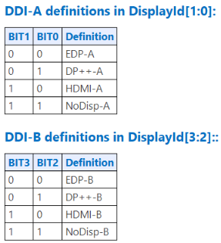
 |  |  | DISPLAY_ID (default) | 1000
 |  |  | DISPLAY_ID (rework) | 1000

 |  |  | Note : HDMI 2.1 Redriver : PI3HDX1204CZHEX (Diodes)

